DATE
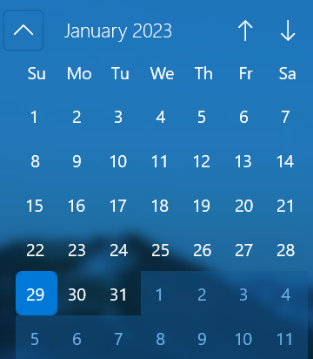
Date Formulas
 | Date Format |  | Birth day | Weeknumber | Age(years) | Age(years/months/days) | Retirement date
Date of Birth |  |  | TEXT | WEEKNUM | DATEDIF+TODAY | DATEDIF+NOW | EDATE
2000-08-07
1999-11-30
2023-01-01
2001-12-19
2002-03-23
2022-01-27
2020-01-24

Start-date | End-date | Total Training days (NETWORKDAYS.INTL) | 2023-01-26 | National Holiday
2023-01-23 | 2023-04-24 |  | 2023-04-07 | Good Friday

Start-Time | End-Time | Training Duration
9:00:00 | 13:00:00
14:00:00 | 18:00:00
 | Total Duration

Start-Time | End-Time | Training Duration
1/31/23 | 1/31/23
2/1/23 | 2/1/23
 | Total Duration

WORKDAYS.INTL
Find the date of "X" working days from the start date

Start date of Project | Expected Days for Completion | End Date of Project
2021-11-15 | 3

NETWORKDAYS.INTL
Find the "X" working days between start & end date.

Start date of Project | End Date of Project | Expected Days for Completion
2021-11-15 | 2021-11-17

DYNAMIC-CHOOSE
Create Dynamic Data with CHOOSE |  |  |  |  |  | 1 | Sales
 |  |  |  |  |  | 2 | Expense
 |  |  |  |  |  | 3 | Profit

 |  |  |  | Data Preparation |  | Select >> | 1
Product | Sales | Expense | Profit | Product | Sales
Laptops | ₹ 335 | ₹ 321 | ₹ 14 | Laptops | 335
Earphones | ₹ 203 | ₹ 164 | ₹ 39 | Earphones | 203
Tablets | ₹ 212 | ₹ 146 | ₹ 66 | Tablets | 212
Mobiles | ₹ 326 | ₹ 110 | ₹ 216 | Mobiles | 326
Television | ₹ 144 | ₹ 63 | ₹ 81 | Television | 144

